Tabelle1
Price List Q - Graft - System

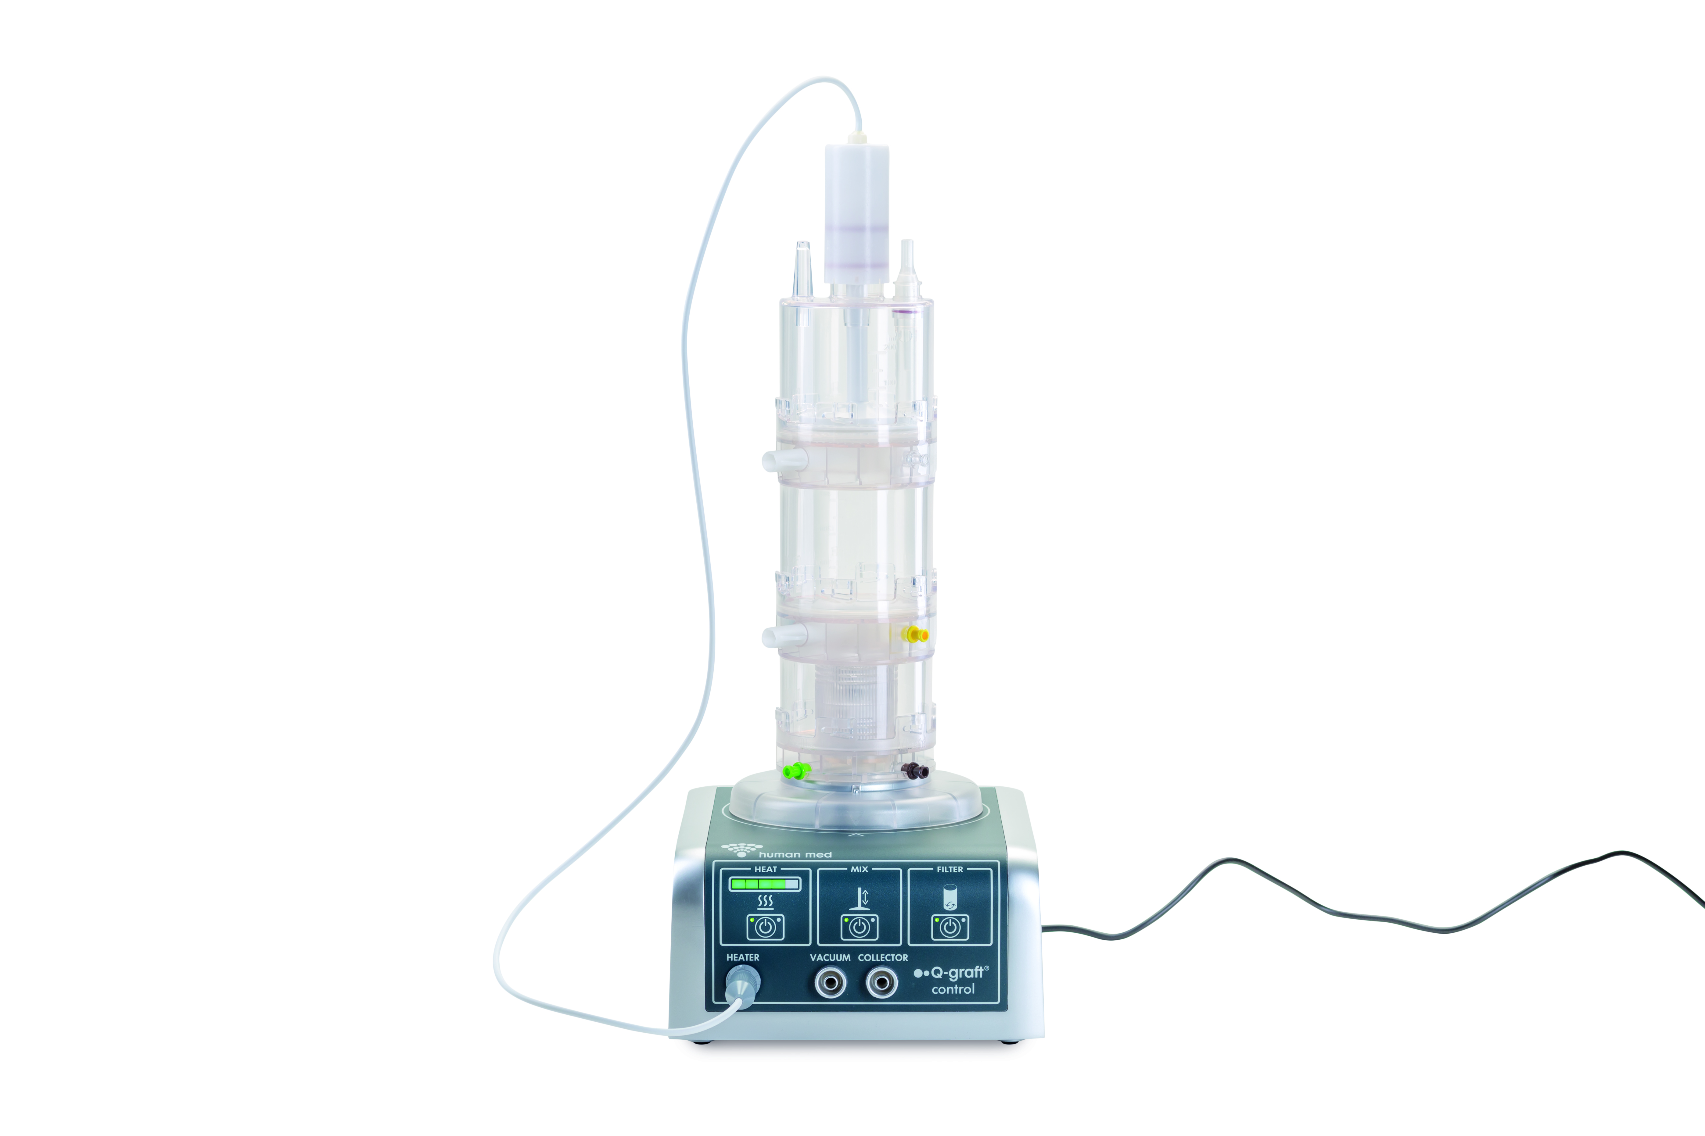

Product Name | Art.-No. | Units per box [pce] | Price per box [£] | Price per pce [£]

Q - Graft Collector (box of 5) | 300001 - 5 | 5 | 4,727.70 | 945.54

Q - Graft disposable set (box of 5) | 300002 - 5 | 5 | 126.07 | 25.21

Centrifuge, sterile disposable set (box of 5) | 300003 - 5 | 5 | 162.84 | 32.57

Humanase Enzyme | 300004 | 1 | 141.83 | 141.83

Product Name | Art.-No. | Units per box [pce] | Price per box [£] | Price per pce [£]

Q - Graft Control Unit | 300000 | 1 | 14,851.20 | 14,851.20

Centrifuge | 310000 | 1 | 3,712.80 | 3,712.80

NucleoCounter NC 200 | 320000 | 1 | 14,851.20 | 14,851.20

Body Jet Eco | 500000 - 8 | 1 | 6,800.85 | 6,800.85

